Opportunity Components Design
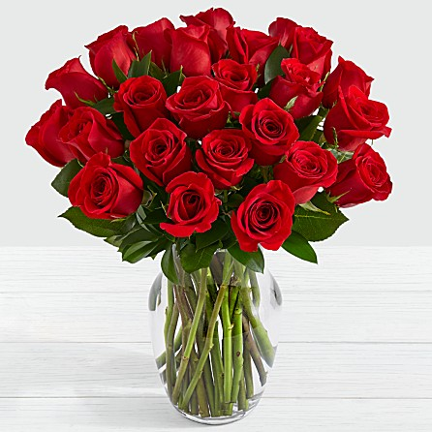
Opportunity Components Design |  |  |  | (Designer Window)

 |  |  |  |  | TargetRivPrice | 8.796 |  | PIC | FloCost | Season | Target | Alt# | Combination
 | Supplier Drop Down |  | Funza |  | TargetFloCost | $4.00 | comienza en cero |  | 3.51 | MOTHERS | 21.99 | 1 | 1 of 3
 |  |  |  |  | Selected FloCost | $3.51 |  |  | 0 | MOTHERS | 21.99 | 2
Flower List selection | Type | Color | Grade | Units |  |  |  |  | 0 | MOTHERS | 21.99 | 3
Flower List selection | Alstro | White | FA | 10 |  |  |  |  | 0
Flower List selection | Gyp | White | XX | 5 |  |  |  |  | 0
Flower List selection | Rose | Red | 50 | 10
Flower List selection | Sleeve | Clear | 17" | 1 |  |  |  |  | 0
Hardgood List selection | UPC | Generic | 2x1 | 1
Hardgood List selection | Food | Generic | 10gms | 1 | Quote

 | Box | FloCost | UPB In
 | T | 3.5 | 15
 | X | 3.51 | 12 |  | if funza, mark, save = Funza quote#
 | H | 3.54 | 11
 | O | 1.5 | 9

 | PICTURE

